PI Body Part Code(s) Worksheet
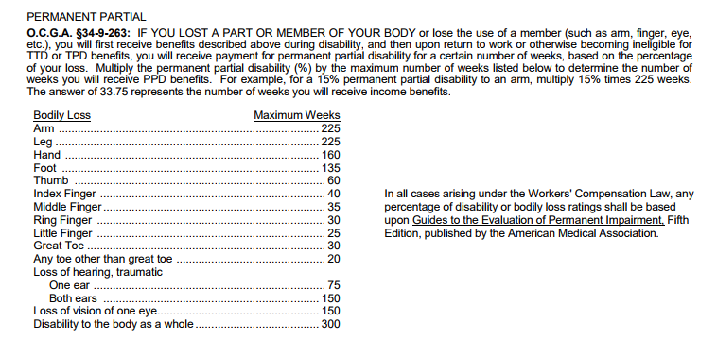
Revision 11.02.2018

THE ONLY BODY PARTS THAT GEORGIA ACCEPTS FOR PPD ARE IN
THE BOX TO THE RIGHT.

Jurisdiction Accepts (Y/N) | Code | Sub Code | Description | Narrative | Statutory Description | Statutory Number of Weeks
Head
 | 10 |  | Multiple Head injury | Any combination of below parts
 | 11 |  | Skull
 | 12 |  | Brain
 | 13 |  | Ear(s) | Includes: hearing, inside eardrum
 |  | 13A |  | Total deafness of both ears
 |  | 13B |  | Total deafness of one ear
 |  | 13C |  | Where worker prior to injury has suffered a total loss of hearing in one ear, and as a result of the accident loses total hearing in remaining ear
 | 14 |  | Eye(s) | Includes: Optic nerves, vision, eye lids
 |  | 14A |  | The loss of eye by enucleation (including disfigurement resulting there from)
 |  | 14B |  | Total blindness in one eye
 |  | 14C |  | Total blindness in both eyes
 | 15 |  | Nose | includes nasal passage, sinus, sense of smell
 | 16 |  | Teeth
 | 17 |  | Mouth | includes lips, tongue, throat, taste
 | 18 |  | Soft Tissue of head
 | 19 |  | Facial Bones | includes jaw
Neck
 | 20 |  | Multiple neck injury
 | 21 |  | Vertebrae | includes cervical segment of spinal column
 | 22 |  | Disc | includes cervical segment of spinal column cartilage
 | 23 |  | Spinal column | includes cervical segment nerve tissue
 | 24 |  | Larynx | includes cervical segment cartilage and vocal cords
 | 25 |  | Soft Tissue of neck | other than larynx or trachea
 | 26 |  | Trachea
Upper extremities
 | 30 |  | Multiple upper extremities
 | 31 |  | Upper arm
 | 32 |  | Elbow
 | 33 |  | Lower Arm | Forearm
 | 34 |  | Wrist
 | 35 |  | Hand
 | 36 |  | Finger(s)
 |  | 36A |  | The loss of in index finger and metacarpal bone thereof
 |  | 36B |  | The loss of an index finger at the proximal joint
 |  | 36C |  | The loss of an index finger at the second joint
 |  | 36D |  | The loss of an index finger at the distal joint
 |  | 36E |  | The loss of a second finger and metacarpal bone there of
 |  | 36F |  | The loss of a middle finger at the proximal joint
 |  | 36G |  | The loss of a middle finger at the second joint
 |  | 36H |  | The loss of a middle finger at the distal joint
 |  | 36I |  | The loss of a third ring finger and metacarpal bone there of
 |  | 36J |  | The loss of a ring finger at the proximal joint
 |  | 36K |  | The loss of a ring finger at the second joint
 |  | 36L |  | The loss of a ring finger at the distal joint
 |  | 36M |  | The loss of a little finger and the metacarpal bone thereof
 |  | 36N |  | The loss of a little finger at the proximal joint
 |  | 36O |  | The loss of a little finger at the second joint
 |  | 36P |  | The loss of a little finger at the distal joint
 | 37 |  | Thumb
 |  | 37A |  | The loss of a thumb and metacarpal bone thereof
 |  | 37B |  | The loss of a thumb at the proximal joint
 |  | 37C |  | The loss of a thumb at the second or distal joint
 | 38 |  | Shoulder(s) | armpit, rotator cuff, trapezius, clavicle, scapula
 | 39 |  | Wrist(s) & Hand(s)
Trunk
 | 40 |  | Multiple Trunk
 | 41 |  | Upper Back | Thoracic Area. Upper back muscles, excluding vertebrae, disc, spinal cord
 | 42 |  | Lower Back | Lumbar and Lumbo Sacral areas. Lower back muscles, excluding sacrum, coccyx, pelvis, vertebrae, disc, spinal cord
 | 43 |  | Disc | Spinal column cartilage other than cervical segment
 | 44 |  | Chest | Including ribs, sternum, soft tissue
 | 45 |  | Sacrum and Coccyx | final nine vertebrae-fused
 | 46 |  | Pelvis
 | 47 |  | Spinal Cord | Nerve tissue other than cervical segment
 | 48 |  | Internal organs | Other than heart and lungs
 | 49 |  | Heart
 | 60 |  | Lungs
 | 61 |  | Abdomen, groin | excluding injury to internal organs
 | 62 |  | Buttocks | soft tissue
 | 63 |  | Lumbar or sacral vertebrae | bone portion of the spinal column
Lower Extremities
 | 50 |  | Multiple Lower Extremities | Any combination of below parts
 | 51 |  | Hip
 | 52 |  | Upper Leg | Femur and corresponding muscles
 | 53 |  | Knee | Patella
 | 54 |  | Lower Leg | Tibia, fibula and corresponding muscles
 | 55 |  | Ankle | Tarsals
 | 56 |  | Foot | Metatarsals, heel, Achilles tendon and corresponding muscles - excluding ankle or toes
 | 57 |  | Toes
 |  | 57A |  | Little toe metatarsal bone
 |  | 57B |  | Little toe at distal joint
 |  | 57C |  | The loss of any other toe with the metatarsal bone thereof
 |  | 57D |  | The loss of any other toe at the proximal joint
 |  | 57E |  | Other toe at middle joint
 |  | 57F |  | The loss of any other toe at the second or distal joint
 |  | 57G |  | Other toe at distal joint
 | 58 |  | Great Toe
 |  | 58A |  | The loss of a great toe with the metatarsal bone thereof
 |  | 58B |  | The loss of a great toe at the proximal joint
 |  | 58C |  | The loss of a great toe at the second or distal joint
Multiple parts
 | 64 |  | Artificial appliance | braces, etc.
 | 65 |  | Insufficient info to properly identify - unclassified | Insufficient information to identify part affected
 | 66 |  | No physical injury | includes mental disorder
 | 90 |  | Multiple body parts (including body systems and body parts) | Applies when more than one major body part has been affected, such as an arm and a leg and multiple internal organs
 | 99 |  | Whole Body | Whole body

